Plan
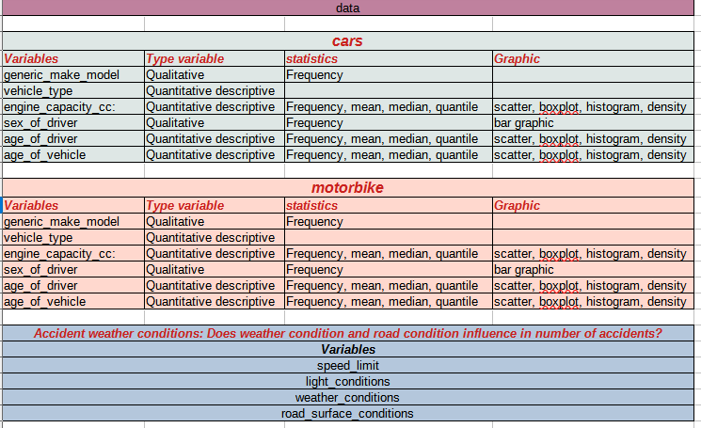

Cars - Engine Capacity
CARS : ENGINE CAPACITY
With outliers

 | Quantiles
 | 0.00% | 25.00% | 50.00% | 75.00% | 100.00%
 | -1 | 1198 | 1560 | 1956 | 27664

Histogram - Density Function - Boxplot
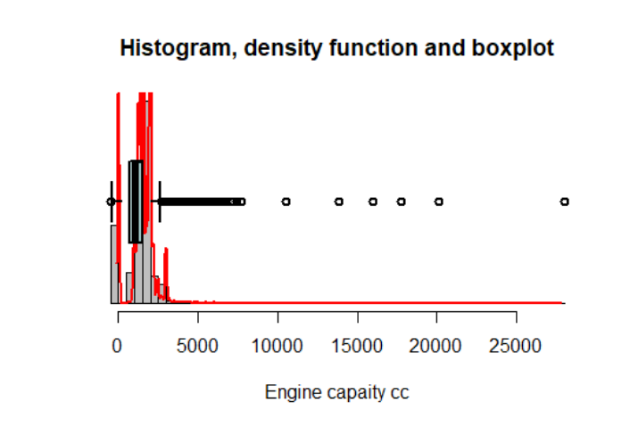

 |  |  |  |  |  | Outliers
 |  |  |  |  |  | Low limit | 455
 |  |  |  |  |  | Upper Limit | 2874

Without outliers

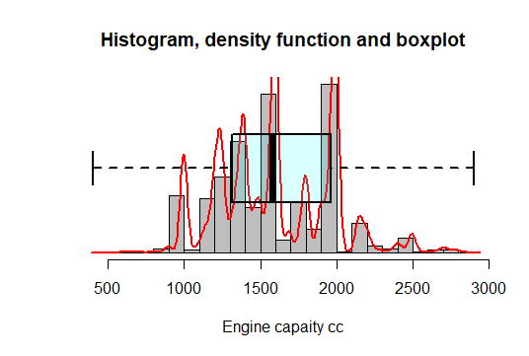
Histogram - Density Function - Boxplot |  |  |  |  |  |  |  | statistics
 |  |  |  |  |  |  |  | mean |  | 1605.25
 |  |  |  |  |  |  |  | median |  | 1596
 |  |  |  |  |  |  |  | standard deviation |  | 368.35
 |  |  |  |  |  |  |  | mode |  | 1598

 |  |  |  |  |  |  |  | Proportion table with proportion of accidents > 0.5%
 |  |  |  |  |  |  |  | Unsorted |  | Sorted
 |  |  |  |  |  |  |  | Engine Capacity CC | Proportion % | Engine Capacity CC | Proportion %
 |  |  |  |  |  |  |  | 998 | 4.25 | 1598 | 9.09
 |  |  |  |  |  |  |  | 999 | 1.81 | 1968 | 4.55
 |  |  |  |  |  |  |  | 1124 | 0.52 | 998 | 4.25
 |  |  |  |  |  |  |  | 1149 | 1.24 | 1995 | 4.06
 |  |  |  |  |  |  |  | 1197 | 1.1 | 1242 | 3.9
 |  |  |  |  |  |  |  | 1198 | 1.73 | 1560 | 3.52
 |  |  |  |  |  |  |  | 1199 | 0.76 | 1997 | 2.96
 |  |  |  |  |  |  |  | 1200 | 0.73 | 1596 | 2.52
 |  |  |  |  |  |  |  | 1229 | 1.7 | 1461 | 2.29
 |  |  |  |  |  |  |  | 1242 | 3.9 | 1896 | 2.06
 |  |  |  |  |  |  |  | 1248 | 1.47 | 1796 | 1.93
 |  |  |  |  |  |  |  | 1299 | 0.84 | 1390 | 1.89
 |  |  |  |  |  |  |  | 1339 | 0.95 | 999 | 1.81
 |  |  |  |  |  |  |  | 1360 | 1.11 | 1998 | 1.8
 |  |  |  |  |  |  |  | 1364 | 1.44 | 1198 | 1.73
 |  |  |  |  |  |  |  | 1388 | 1.12 | 1229 | 1.7
 |  |  |  |  |  |  |  | 1390 | 1.89 | 1398 | 1.7
 |  |  |  |  |  |  |  | 1395 | 0.7 | 2143 | 1.66
 |  |  |  |  |  |  |  | 1396 | 0.58 | 2993 | 1.65
Scatter Graphic |  |  |  |  |  |  |  | 1398 | 1.7 | 1798 | 1.48
 |  |  |  |  |  |  |  | 1399 | 0.73 | 1248 | 1.47
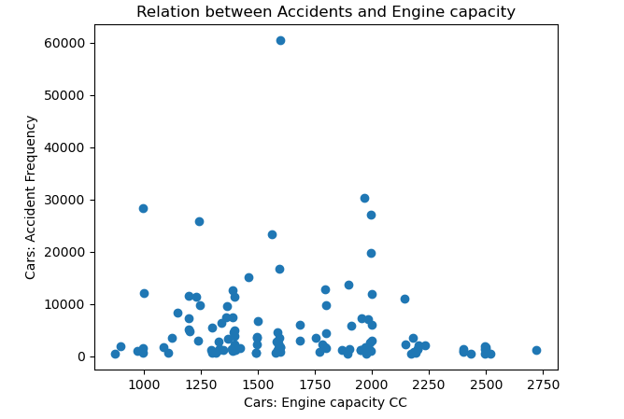
 |  |  |  |  |  |  |  | 1461 | 2.29 | 1364 | 1.44
 |  |  |  |  |  |  |  | 1497 | 0.57 | 1149 | 1.24
 |  |  |  |  |  |  |  | 1498 | 0.52 | 1388 | 1.12
 |  |  |  |  |  |  |  | 1499 | 1.01 | 1360 | 1.11
 |  |  |  |  |  |  |  | 1560 | 3.52 | 1197 | 1.1
 |  |  |  |  |  |  |  | 1587 | 0.69 | 1956 | 1.09
 |  |  |  |  |  |  |  | 1595 | 0.54 | 1984 | 1.06
 |  |  |  |  |  |  |  | 1596 | 2.52 | 1499 | 1.01
 |  |  |  |  |  |  |  | 1598 | 9.09 | 1339 | 0.95
 |  |  |  |  |  |  |  | 1686 | 0.9 | 1999 | 0.9
 |  |  |  |  |  |  |  | 1753 | 0.53 | 1686 | 0.9
 |  |  |  |  |  |  |  | 1796 | 1.93 | 1910 | 0.89
 |  |  |  |  |  |  |  | 1797 | 0.68 | 1299 | 0.84
 |  |  |  |  |  |  |  | 1798 | 1.48 | 1199 | 0.76
 |  |  |  |  |  |  |  | 1896 | 2.06 | 1399 | 0.73
 |  |  |  |  |  |  |  | 1910 | 0.89 | 1200 | 0.73
 |  |  |  |  |  |  |  | 1956 | 1.09 | 1395 | 0.7
 |  |  |  |  |  |  |  | 1968 | 4.55 | 1587 | 0.69
 |  |  |  |  |  |  |  | 1984 | 1.06 | 1797 | 0.68
 |  |  |  |  |  |  |  | 1995 | 4.06 | 1396 | 0.58
 |  |  |  |  |  |  |  | 1997 | 2.96 | 1497 | 0.57
 |  |  |  |  |  |  |  | 1998 | 1.8 | 1595 | 0.54
 |  |  |  |  |  |  |  | 1999 | 0.9 | 2967 | 0.54
 |  |  |  |  |  |  |  | 2143 | 1.66 | 2179 | 0.54
 |  |  |  |  |  |  |  | 2179 | 0.54 | 1753 | 0.53
 |  |  |  |  |  |  |  | 2967 | 0.54 | 1124 | 0.52
 |  |  |  |  |  |  |  | 2993 | 1.65 | 1498 | 0.52

Motorbike - Engine Capacity
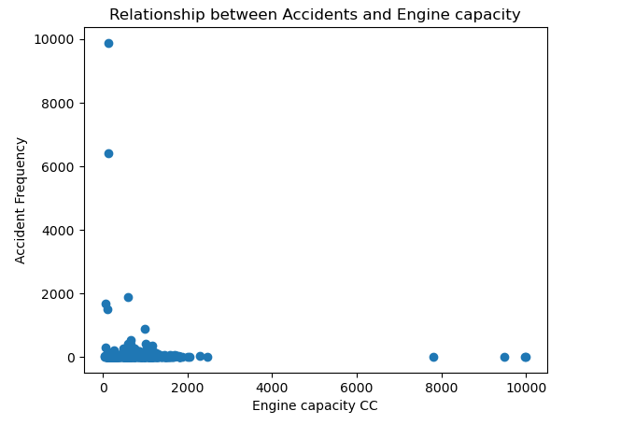
MOTORBIKE : ENGINE CAPACITY
With outliers

 | Quantiles
 | 0.00% | 25.00% | 50.00% | 75.00% | 100.00%
 | -1 | 124 | 125 | 636 | 49000

Histogram - Density Function - Boxplot
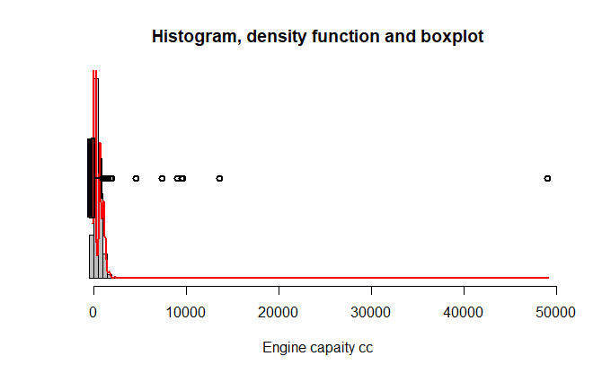

 |  |  |  |  |  | Outliers
 |  |  |  |  |  | Low limit | 42
 |  |  |  |  |  | Upper Limit | 1402

Without outliers

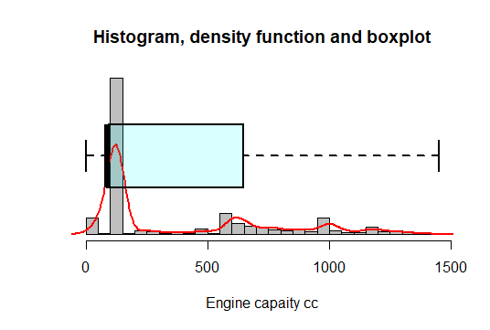
Histogram - Density Function - Boxplot |  |  |  |  |  |  |  | statistics
 |  |  |  |  |  |  |  | mean |  | 402.85
 |  |  |  |  |  |  |  | median |  | 125
 |  |  |  |  |  |  |  | standard deviation |  | 410.09
 |  |  |  |  |  |  |  | mode |  | 125

 |  |  |  |  |  |  |  | Proportion table with proportion of accidents > 0.5%
 |  |  |  |  |  |  |  | Unsorted |  | Sorted
 |  |  |  |  |  |  |  | Engine Capacity CC | Proportion % | Engine Capacity CC | Proportion %
 |  |  |  |  |  |  |  | 49 | 4.765114865 | 125 | 28.92
 |  |  |  |  |  |  |  | 50 | 0.8803235784 | 124 | 18.88
 |  |  |  |  |  |  |  | 108 | 4.3553546409 | 599 | 5.50
 |  |  |  |  |  |  |  | 124 | 18.880693684 | 49 | 4.77
 |  |  |  |  |  |  |  | 125 | 28.915853755 | 108 | 4.36
 |  |  |  |  |  |  |  | 249 | 0.5710206995 | 998 | 2.59
 |  |  |  |  |  |  |  | 471 | 0.66619081608 | 649 | 1.53
 |  |  |  |  |  |  |  | 599 | 5.5013614614 | 645 | 1.24
 |  |  |  |  |  |  |  | 600 | 1.2385333228 | 600 | 1.24
 |  |  |  |  |  |  |  | 645 | 1.2424987443 | 999 | 1.22
 |  |  |  |  |  |  |  | 649 | 1.5332963227 | 1170 | 1.05
 |  |  |  |  |  |  |  | 675 | 0.66090358738 | 50 | 0.88
 |  |  |  |  |  |  |  | 689 | 0.72699394612 | 749 | 0.80
 |  |  |  |  |  |  |  | 745 | 0.66883443043 | 689 | 0.73
 |  |  |  |  |  |  |  | 749 | 0.79837153356 | 1050 | 0.68
 |  |  |  |  |  |  |  | 865 | 0.51021756946 | 745 | 0.67
 |  |  |  |  |  |  |  | 998 | 2.5880984482 | 471 | 0.67
 |  |  |  |  |  |  |  | 999 | 1.2160626008 | 675 | 0.66
 |  |  |  |  |  |  |  | 1000 | 0.60670949322 | 1000 | 0.61
Scatter Graphic |  |  |  |  |  |  |  | 1050 | 0.68337430936 | 249 | 0.57
 |  |  |  |  |  |  |  | 1170 | 1.0495148968 | 865 | 0.51

Cars - Age of Driver
CARS: AGE OF DRIVER
With outliers

 | Quantiles
 | 0.00% | 25.00% | 50.00% | 75.00% | 100.00%
 | -1 | 23 | 35 | 50 | 102

Histogram - Density Function - Boxplot
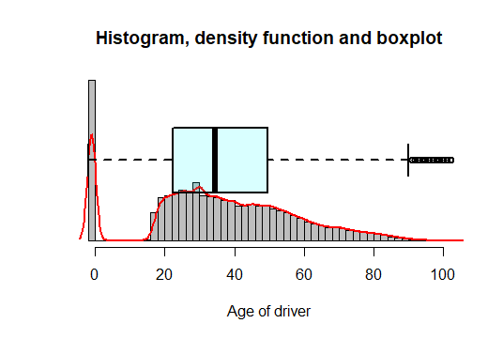

 |  |  |  |  |  | Outliers
 |  |  |  |  |  | Low limit | 18
 |  |  |  |  |  | Upper Limit | 90

Without outliers

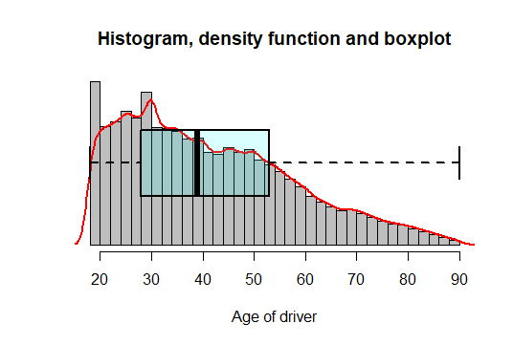
Histogram - Density Function - Boxplot |  |  |  |  |  |  |  | statistics
 |  |  |  |  |  |  |  | mean |  | 41.67
 |  |  |  |  |  |  |  | median |  | 39
 |  |  |  |  |  |  |  | standard deviation |  | 16.53
 |  |  |  |  |  |  |  | mode |  | 30

 |  |  |  |  |  |  |  | Proportion table with proportion of accidents > 0.5%
 |  |  |  |  |  |  |  | Unsorted |  | Sorted
 |  |  |  |  |  |  |  | Age of driver | Proportion % | Age of driver | Proportion %
 |  |  |  |  |  |  |  | 18 | 1.95 | 30 | 3.47
 |  |  |  |  |  |  |  | 19 | 2.11 | 25 | 2.68
 |  |  |  |  |  |  |  | 20 | 2.26 | 26 | 2.49
 |  |  |  |  |  |  |  | 21 | 2.27 | 28 | 2.46
 |  |  |  |  |  |  |  | 22 | 2.33 | 27 | 2.44
 |  |  |  |  |  |  |  | 23 | 2.37 | 29 | 2.44
 |  |  |  |  |  |  |  | 24 | 2.40 | 24 | 2.40
 |  |  |  |  |  |  |  | 25 | 2.68 | 23 | 2.37
 |  |  |  |  |  |  |  | 26 | 2.49 | 22 | 2.33
 |  |  |  |  |  |  |  | 27 | 2.44 | 35 | 2.30
 |  |  |  |  |  |  |  | 28 | 2.46 | 31 | 2.29
 |  |  |  |  |  |  |  | 29 | 2.44 | 34 | 2.27
 |  |  |  |  |  |  |  | 30 | 3.47 | 21 | 2.27
 |  |  |  |  |  |  |  | 31 | 2.29 | 32 | 2.26
 |  |  |  |  |  |  |  | 32 | 2.26 | 20 | 2.26
 |  |  |  |  |  |  |  | 33 | 2.23 | 33 | 2.23
 |  |  |  |  |  |  |  | 34 | 2.27 | 40 | 2.20
 |  |  |  |  |  |  |  | 35 | 2.30 | 37 | 2.12
 |  |  |  |  |  |  |  | 36 | 2.11 | 19 | 2.11
Scatter Graphic |  |  |  |  |  |  |  | 37 | 2.12 | 36 | 2.11
 |  |  |  |  |  |  |  | 38 | 1.98 | 38 | 1.98
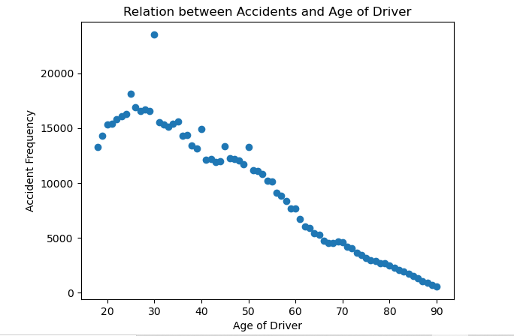
 |  |  |  |  |  |  |  | 39 | 1.93 | 45 | 1.97
 |  |  |  |  |  |  |  | 40 | 2.20 | 50 | 1.96
 |  |  |  |  |  |  |  | 41 | 1.78 | 18 | 1.95
 |  |  |  |  |  |  |  | 42 | 1.79 | 39 | 1.93
 |  |  |  |  |  |  |  | 43 | 1.76 | 46 | 1.80
 |  |  |  |  |  |  |  | 44 | 1.76 | 47 | 1.80
 |  |  |  |  |  |  |  | 45 | 1.97 | 42 | 1.79
 |  |  |  |  |  |  |  | 46 | 1.80 | 41 | 1.78
 |  |  |  |  |  |  |  | 47 | 1.80 | 48 | 1.77
 |  |  |  |  |  |  |  | 48 | 1.77 | 44 | 1.76
 |  |  |  |  |  |  |  | 49 | 1.72 | 43 | 1.76
 |  |  |  |  |  |  |  | 50 | 1.96 | 49 | 1.72
 |  |  |  |  |  |  |  | 51 | 1.65 | 51 | 1.65
 |  |  |  |  |  |  |  | 52 | 1.63 | 52 | 1.63
 |  |  |  |  |  |  |  | 53 | 1.59 | 53 | 1.59
 |  |  |  |  |  |  |  | 54 | 1.51 | 54 | 1.51
 |  |  |  |  |  |  |  | 55 | 1.50 | 55 | 1.50
 |  |  |  |  |  |  |  | 56 | 1.34 | 56 | 1.34
 |  |  |  |  |  |  |  | 57 | 1.30 | 57 | 1.30
 |  |  |  |  |  |  |  | 58 | 1.24 | 58 | 1.24
 |  |  |  |  |  |  |  | 59 | 1.13 | 60 | 1.14
 |  |  |  |  |  |  |  | 60 | 1.14 | 59 | 1.13
 |  |  |  |  |  |  |  | 61 | 0.99 | 61 | 0.99
 |  |  |  |  |  |  |  | 62 | 0.89 | 62 | 0.89
 |  |  |  |  |  |  |  | 63 | 0.87 | 63 | 0.87
 |  |  |  |  |  |  |  | 64 | 0.80 | 64 | 0.80
 |  |  |  |  |  |  |  | 65 | 0.78 | 65 | 0.78
 |  |  |  |  |  |  |  | 66 | 0.69 | 66 | 0.69
 |  |  |  |  |  |  |  | 67 | 0.67 | 69 | 0.68
 |  |  |  |  |  |  |  | 68 | 0.66 | 70 | 0.68
 |  |  |  |  |  |  |  | 69 | 0.68 | 67 | 0.67
 |  |  |  |  |  |  |  | 70 | 0.68 | 68 | 0.66
 |  |  |  |  |  |  |  | 71 | 0.62 | 71 | 0.62
 |  |  |  |  |  |  |  | 72 | 0.59 | 72 | 0.59
 |  |  |  |  |  |  |  | 73 | 0.54 | 73 | 0.54
 |  |  |  |  |  |  |  | 74 | 0.51 | 74 | 0.51

Motorbike - Age of Driver
CARS: AGE OF DRIVER
With outliers

 | Quantiles
 | 0.00% | 25.00% | 50.00% | 75.00% | 100.00%
 | -1 | 22 | 30 | 40 | 99

Histogram - Density Function - Boxplot
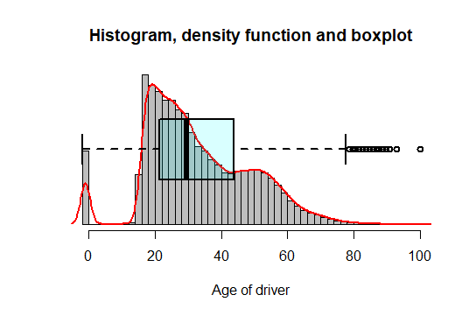

 |  |  |  |  |  | Outliers
 |  |  |  |  |  | Low limit | 18
 |  |  |  |  |  | Upper Limit | 77

Without outliers

Histogram - Density Function - Boxplot |  |  |  |  |  |  |  | statistics
 |  |  |  |  |  |  |  | mean |  | 35.46
 |  |  |  |  |  |  |  | median |  | 32
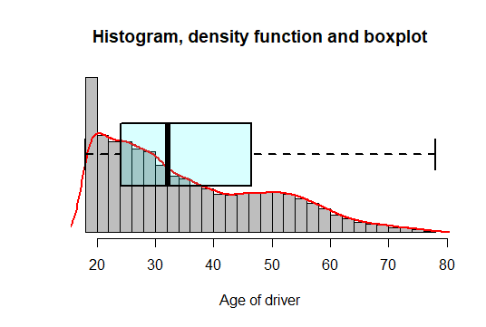
 |  |  |  |  |  |  |  | standard deviation |  | 13.72
 |  |  |  |  |  |  |  | mode |  | 18

 |  |  |  |  |  |  |  | Proportion table with proportion of accidents
 |  |  |  |  |  |  |  | Unsorted |  | Sorted
 |  |  |  |  |  |  |  | Age of driver | Proportion % | Age of driver | Proportion %
 |  |  |  |  |  |  |  | 18 | 4.16 | 18 | 4.16
 |  |  |  |  |  |  |  | 19 | 4.04 | 19 | 4.04
 |  |  |  |  |  |  |  | 20 | 3.86 | 21 | 3.94
 |  |  |  |  |  |  |  | 21 | 3.94 | 20 | 3.86
 |  |  |  |  |  |  |  | 22 | 3.60 | 25 | 3.67
 |  |  |  |  |  |  |  | 23 | 3.51 | 22 | 3.60
 |  |  |  |  |  |  |  | 24 | 3.52 | 24 | 3.52
 |  |  |  |  |  |  |  | 25 | 3.67 | 23 | 3.51
 |  |  |  |  |  |  |  | 26 | 3.39 | 26 | 3.39
 |  |  |  |  |  |  |  | 27 | 3.31 | 27 | 3.31
 |  |  |  |  |  |  |  | 28 | 3.18 | 30 | 3.19
 |  |  |  |  |  |  |  | 29 | 3.10 | 28 | 3.18
 |  |  |  |  |  |  |  | 30 | 3.19 | 29 | 3.10
 |  |  |  |  |  |  |  | 31 | 2.62 | 31 | 2.62
 |  |  |  |  |  |  |  | 32 | 2.56 | 32 | 2.56
 |  |  |  |  |  |  |  | 33 | 2.26 | 33 | 2.26
 |  |  |  |  |  |  |  | 34 | 2.12 | 35 | 2.22
 |  |  |  |  |  |  |  | 35 | 2.22 | 34 | 2.12
 |  |  |  |  |  |  |  | 36 | 1.95 | 36 | 1.95
Scatter Graphic |  |  |  |  |  |  |  | 37 | 1.95 | 37 | 1.95
 |  |  |  |  |  |  |  | 38 | 1.70 | 39 | 1.71
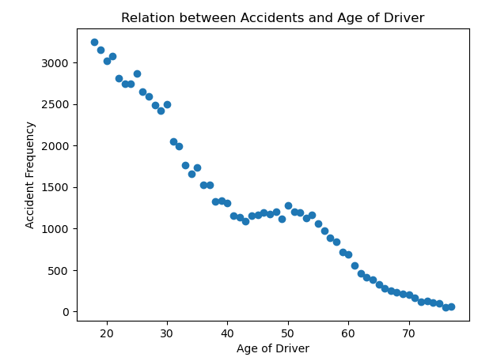
 |  |  |  |  |  |  |  | 39 | 1.71 | 38 | 1.70
 |  |  |  |  |  |  |  | 40 | 1.68 | 40 | 1.68
 |  |  |  |  |  |  |  | 41 | 1.48 | 50 | 1.64
 |  |  |  |  |  |  |  | 42 | 1.45 | 48 | 1.54
 |  |  |  |  |  |  |  | 43 | 1.39 | 51 | 1.54
 |  |  |  |  |  |  |  | 44 | 1.48 | 52 | 1.53
 |  |  |  |  |  |  |  | 45 | 1.49 | 46 | 1.53
 |  |  |  |  |  |  |  | 46 | 1.53 | 47 | 1.51
 |  |  |  |  |  |  |  | 47 | 1.51 | 45 | 1.49
 |  |  |  |  |  |  |  | 48 | 1.54 | 54 | 1.49
 |  |  |  |  |  |  |  | 49 | 1.44 | 44 | 1.48
 |  |  |  |  |  |  |  | 50 | 1.64 | 41 | 1.48
 |  |  |  |  |  |  |  | 51 | 1.54 | 42 | 1.45
 |  |  |  |  |  |  |  | 52 | 1.53 | 53 | 1.44
 |  |  |  |  |  |  |  | 53 | 1.44 | 49 | 1.44
 |  |  |  |  |  |  |  | 54 | 1.49 | 43 | 1.39
 |  |  |  |  |  |  |  | 55 | 1.35 | 55 | 1.35
 |  |  |  |  |  |  |  | 56 | 1.25 | 56 | 1.25
 |  |  |  |  |  |  |  | 57 | 1.14 | 57 | 1.14
 |  |  |  |  |  |  |  | 58 | 1.07 | 58 | 1.07
 |  |  |  |  |  |  |  | 59 | 0.91 | 59 | 0.91
 |  |  |  |  |  |  |  | 60 | 0.88 | 60 | 0.88
 |  |  |  |  |  |  |  | 61 | 0.72 | 61 | 0.72
 |  |  |  |  |  |  |  | 62 | 0.60 | 62 | 0.60
 |  |  |  |  |  |  |  | 63 | 0.53 | 63 | 0.53
 |  |  |  |  |  |  |  | 64 | 0.50 | 64 | 0.50
 |  |  |  |  |  |  |  | 65 | 0.42 | 65 | 0.42
 |  |  |  |  |  |  |  | 66 | 0.36 | 66 | 0.36
 |  |  |  |  |  |  |  | 67 | 0.32 | 67 | 0.32
 |  |  |  |  |  |  |  | 68 | 0.30 | 68 | 0.30
 |  |  |  |  |  |  |  | 69 | 0.27 | 69 | 0.27
 |  |  |  |  |  |  |  | 70 | 0.26 | 70 | 0.26
 |  |  |  |  |  |  |  | 71 | 0.21 | 71 | 0.21
 |  |  |  |  |  |  |  | 72 | 0.16 | 73 | 0.16
 |  |  |  |  |  |  |  | 73 | 0.16 | 72 | 0.16
 |  |  |  |  |  |  |  | 74 | 0.14 | 74 | 0.14
 |  |  |  |  |  |  |  | 75 | 0.12 | 75 | 0.12
 |  |  |  |  |  |  |  | 76 | 0.07 | 77 | 0.07
 |  |  |  |  |  |  |  | 77 | 0.07 | 76 | 0.07

Cars - Sex of Driver
CARS: SEX DRIVER
 | Accidents: 2016 – 2020
 | Frequencies |  | Proportion %
 | Male | 446804 | 56.04
 | Female | 266905 | 33.47
 | Unknown | 83656 | 10.49

Barplot
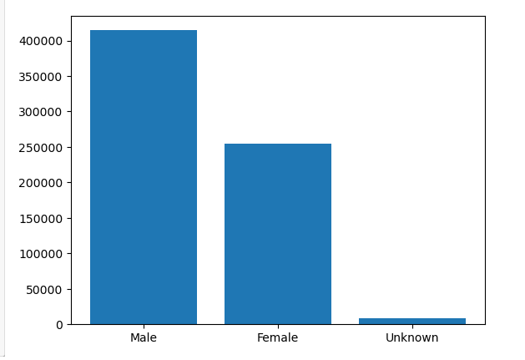

Sex Driver and Age of Driver

statistics
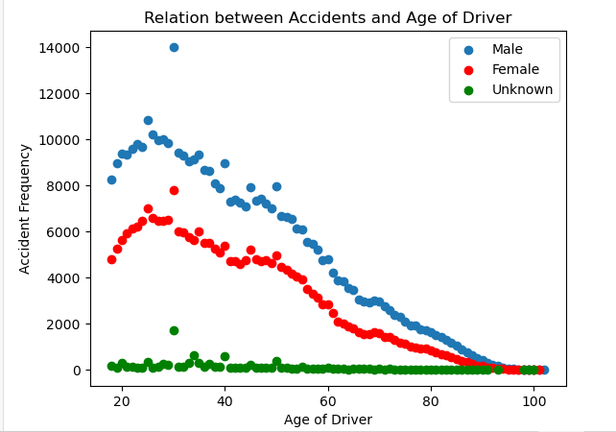
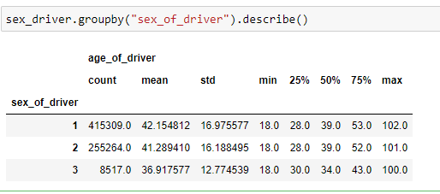

 |  |  |  | Sex of driver | mean | standard deviation | quantiles
 |  |  |  |  |  |  | 0.00% | 25.00% | 50.00% | 75.00% | 100.00%
 |  |  |  | Male | 42.15 | 16.97 | 18 | 28 | 39 | 53 | 102
 |  |  |  | Female | 41.3 | 16.18 | 18 | 28 | 39 | 52 | 101
 |  |  |  | Unknown | 36.9 | 12.78 | 18 | 30 | 34 | 43 | 100

Motorbike - Sex of Driver
MOTORBIKE: SEX DRIVER

 | Frequencies |  | Proportion %
 | Male | 79437 | 91.00
 | Female | 5845 | 6.69
 | Unknown | 2014 | 2.31

Barplot

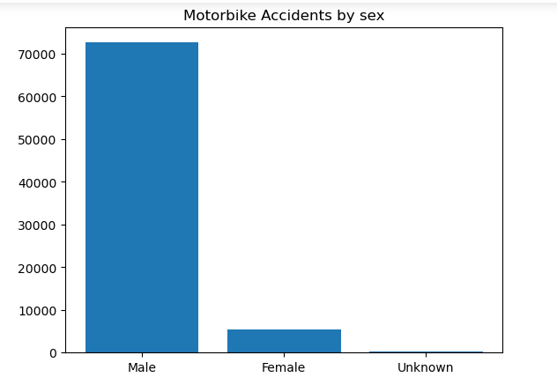

Sex Driver and Age of Driver

statistics

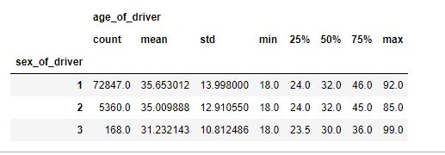
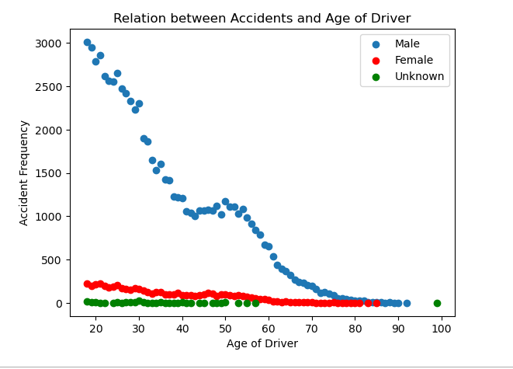

 |  |  |  |  |  |  | Quantiles
 |  |  |  | sex of driver | mean | standard deviation | 0.00% | 25.00% | 50.00% | 75.00% | 100.00%
 |  |  |  | Male | 35.65 | 13.99 | 18 | 24 | 32 | 46 | 92
 |  |  |  | Female | 35 | 12.91 | 18 | 24 | 32 | 45 | 85
 |  |  |  | Unknown | 31.23 | 10.81 | 18 | 24 | 30 | 36 | 99

Cars - Age of vehicle
CARS : AGE OF VEHICLE
With outliers

 | Quantiles
 | 0.00% | 25.00% | 50.00% | 75.00% | 100.00%
 | -1 | 2 | 6 | 11 | 96

Histogram - Density Function - Boxplot

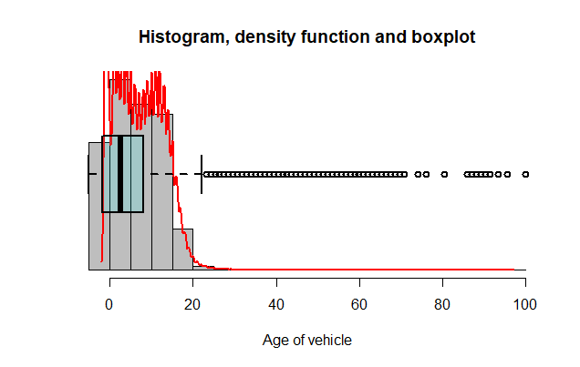

 |  |  |  |  |  | Outliers
 |  |  |  |  |  | Low limit | 0
 |  |  |  |  |  | Upper Limit | 24

Without outliers

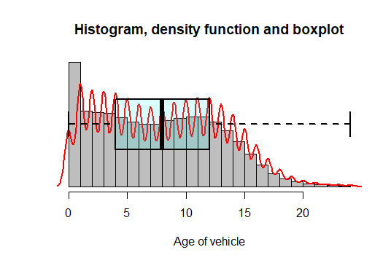
Histogram - Density Function - Boxplot |  |  |  |  |  |  |  | statistics
 |  |  |  |  |  |  |  | mean |  | 8.05
 |  |  |  |  |  |  |  | median |  | 8
 |  |  |  |  |  |  |  | standard deviation |  | 5.1
 |  |  |  |  |  |  |  | mode |  | 1

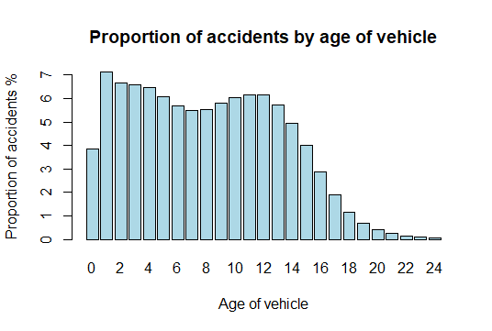
 |  |  |  |  |  |  |  | Frequency and Proportion table
 |  |  |  |  |  |  |  | Unsorted |  |  | Sorted
 |  |  |  |  |  |  |  | Age of vehicle | Frequency | Proportion % | Age of vehicle | Frequency | Proportion %
 |  |  |  |  |  |  |  | 0 | 25957 | 3.86% | 1 | 47906 | 7.12%
 |  |  |  |  |  |  |  | 1 | 47906 | 7.12% | 2 | 44867 | 6.67%
 |  |  |  |  |  |  |  | 2 | 44867 | 6.67% | 3 | 44197 | 6.57%
 |  |  |  |  |  |  |  | 3 | 44197 | 6.57% | 4 | 43586 | 6.48%
 |  |  |  |  |  |  |  | 4 | 43586 | 6.48% | 12 | 41370 | 6.15%
 |  |  |  |  |  |  |  | 5 | 40983 | 6.09% | 11 | 41333 | 6.14%
 |  |  |  |  |  |  |  | 6 | 38279 | 5.69% | 5 | 40983 | 6.09%
 |  |  |  |  |  |  |  | 7 | 37058 | 5.51% | 10 | 40726 | 6.05%
 |  |  |  |  |  |  |  | 8 | 37278 | 5.54% | 9 | 39157 | 5.82%
 |  |  |  |  |  |  |  | 9 | 39157 | 5.82% | 13 | 38414 | 5.71%
 |  |  |  |  |  |  |  | 10 | 40726 | 6.05% | 6 | 38279 | 5.69%
 |  |  |  |  |  |  |  | 11 | 41333 | 6.14% | 8 | 37278 | 5.54%
 |  |  |  |  |  |  |  | 12 | 41370 | 6.15% | 7 | 37058 | 5.51%
 |  |  |  |  |  |  |  | 13 | 38414 | 5.71% | 14 | 33386 | 4.96%
 |  |  |  |  |  |  |  | 14 | 33386 | 4.96% | 15 | 26848 | 3.99%
 |  |  |  |  |  |  |  | 15 | 26848 | 3.99% | 0 | 25957 | 3.86%
 |  |  |  |  |  |  |  | 16 | 19376 | 2.88% | 16 | 19376 | 2.88%
 |  |  |  |  |  |  |  | 17 | 12829 | 1.91% | 17 | 12829 | 1.91%
 |  |  |  |  |  |  |  | 18 | 7872 | 1.17% | 18 | 7872 | 1.17%
Scatter Graphic |  |  |  |  |  |  |  | 19 | 4642 | 0.69% | 19 | 4642 | 0.69%
 |  |  |  |  |  |  |  | 20 | 2739 | 0.41% | 20 | 2739 | 0.41%
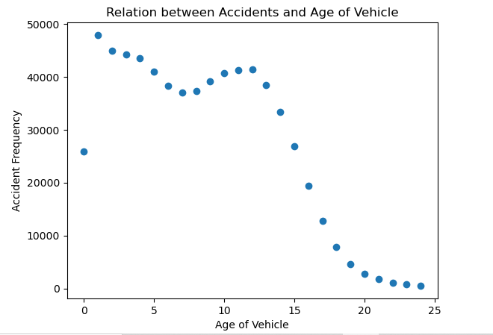
 |  |  |  |  |  |  |  | 21 | 1707 | 0.25% | 21 | 1707 | 0.25%
 |  |  |  |  |  |  |  | 22 | 1105 | 0.16% | 22 | 1105 | 0.16%
 |  |  |  |  |  |  |  | 23 | 783 | 0.12% | 23 | 783 | 0.12%
 |  |  |  |  |  |  |  | 24 | 518 | 0.08% | 24 | 518 | 0.08%

Motorbike - Age of vehicle
MOTORBIKE : AGE OF VEHICLE
With outliers

 | Quantiles
 | 0.00% | 25.00% | 50.00% | 75.00% | 100.00%
 | -1 | 1 | 4 | 10 | 99

Histogram - Density Function - Boxplot
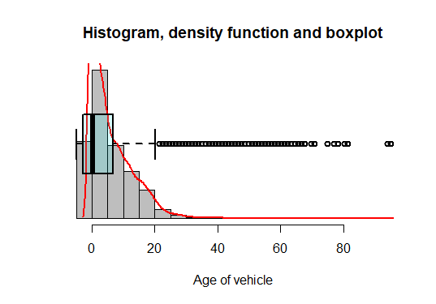

 |  |  |  |  |  | Outliers
 |  |  |  |  |  | Low limit | 0
 |  |  |  |  |  | Upper Limit | 22

Without outliers

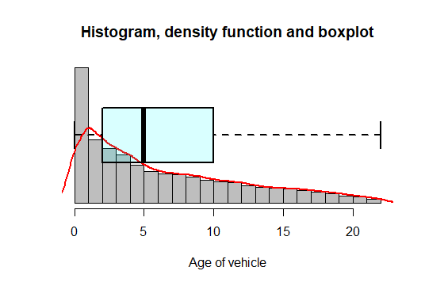
Histogram - Density Function - Boxplot |  |  |  |  |  |  |  | statistics
 |  |  |  |  |  |  |  | mean |  | 6.57
 |  |  |  |  |  |  |  | median |  | 5
 |  |  |  |  |  |  |  | standard deviation |  | 5.68
 |  |  |  |  |  |  |  | mode |  | 1

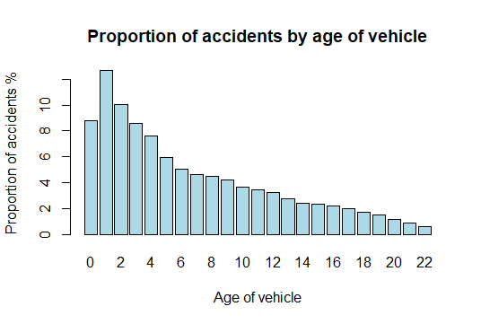
 |  |  |  |  |  |  |  | Frequency and Proportion table
 |  |  |  |  |  |  |  | Unsorted |  |  | Sorted
 |  |  |  |  |  |  |  | Age of vehicle | Frequency | Proportion % | Age of vehicle | Frequency | Proportion %
 |  |  |  |  |  |  |  | 0 | 6536 | 8.82% | 1 | 9384 | 12.66%
 |  |  |  |  |  |  |  | 1 | 9384 | 12.66% | 2 | 7449 | 10.05%
 |  |  |  |  |  |  |  | 2 | 7449 | 10.05% | 0 | 6536 | 8.82%
 |  |  |  |  |  |  |  | 3 | 6380 | 8.61% | 3 | 6380 | 8.61%
 |  |  |  |  |  |  |  | 4 | 5635 | 7.60% | 4 | 5635 | 7.60%
 |  |  |  |  |  |  |  | 5 | 4421 | 5.97% | 5 | 4421 | 5.97%
 |  |  |  |  |  |  |  | 6 | 3721 | 5.02% | 6 | 3721 | 5.02%
 |  |  |  |  |  |  |  | 7 | 3447 | 4.65% | 7 | 3447 | 4.65%
 |  |  |  |  |  |  |  | 8 | 3342 | 4.51% | 8 | 3342 | 4.51%
 |  |  |  |  |  |  |  | 9 | 3099 | 4.18% | 9 | 3099 | 4.18%
 |  |  |  |  |  |  |  | 10 | 2716 | 3.67% | 10 | 2716 | 3.67%
 |  |  |  |  |  |  |  | 11 | 2539 | 3.43% | 11 | 2539 | 3.43%
 |  |  |  |  |  |  |  | 12 | 2392 | 3.23% | 12 | 2392 | 3.23%
 |  |  |  |  |  |  |  | 13 | 2028 | 2.74% | 13 | 2028 | 2.74%
 |  |  |  |  |  |  |  | 14 | 1803 | 2.43% | 14 | 1803 | 2.43%
 |  |  |  |  |  |  |  | 15 | 1710 | 2.31% | 15 | 1710 | 2.31%
 |  |  |  |  |  |  |  | 16 | 1642 | 2.22% | 16 | 1642 | 2.22%
 |  |  |  |  |  |  |  | 17 | 1476 | 1.99% | 17 | 1476 | 1.99%
 |  |  |  |  |  |  |  | 18 | 1281 | 1.73% | 18 | 1281 | 1.73%
Scatter Graphic |  |  |  |  |  |  |  | 19 | 1118 | 1.51% | 19 | 1118 | 1.51%
 |  |  |  |  |  |  |  | 20 | 858 | 1.16% | 20 | 858 | 1.16%
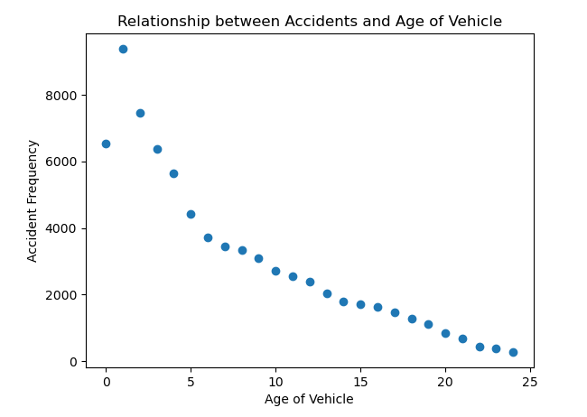
 |  |  |  |  |  |  |  | 21 | 677 | 0.91% | 21 | 677 | 0.91%
 |  |  |  |  |  |  |  | 22 | 449 | 0.61% | 22 | 449 | 0.61%

